Year Over Year Change
 | Year Over Year Change in Levy Rate and Amount
 | NOTE: This spreadsheet calculates tax amount only. The amount does not include assessment district fees.

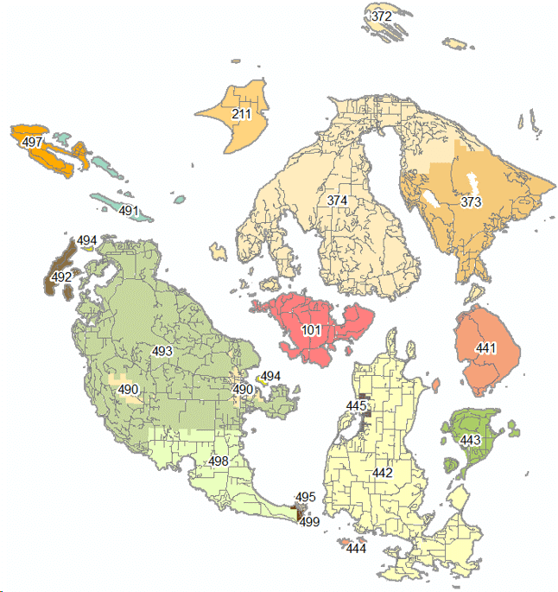
Tax Code Area |  | User input. For your Tax Code Area, please reference your Notice of Value, Tax Statement or the map. |  |  |  |  |  | Map of Tax Code Area

 | 2025 Assessment for Tax Year 2026 |  | 2024 Assessment for Tax Year 2025 |  | Year Over Year Change
Property Assessment |  |  |  |  | $0.00
 | User Input |  | User Input |  | #DIV/0! | Percent Change

 | For the 2025 and 2024 Assessments, (1) reference your 2025 Notice of Value or (2) go to the San Juan County Assessor website -> Parcel Search -> look at Roll Value History. The link to Parcel Search is below.
 | San Juan County - Parcel Search

 | Tax Year 2026 |  | Tax Year 2025 |  | Year Over Year Change |  | Voter Approved Increase
Taxing Districts | Levy Rate | Levy Amount | Levy Rate | Levy Amount | Rate Change | Amount Change
State School Levy - Part 1 | 0.00000 | $0.00 | 0.00000 | $0.00 | 0.00000 | $0.00 | #N/A
State School Levy - Part 2 | 0.00000 | $0.00 | 0.00000 | $0.00 | 0.00000 | $0.00 | #N/A
Local School - Enrichment | 0.00000 | $0.00 | 0.00000 | $0.00 | 0.00000 | $0.00 | #N/A
Local School Bond | 0.00000 | $0.00 | 0.00000 | $0.00 | 0.00000 | $0.00 | #N/A
Local School Capital Projects | 0.00000 | $0.00 | 0.00000 | $0.00 | 0.00000 | $0.00 | #N/A
County General (Current Exp) | 0.00000 | $0.00 | 0.00000 | $0.00 | 0.00000 | $0.00 | #N/A
Land Conservation Futures | 0.00000 | $0.00 | 0.00000 | $0.00 | 0.00000 | $0.00 | #N/A
County Roads | 0.00000 | $0.00 | 0.00000 | $0.00 | 0.00000 | $0.00 | #N/A
Town | 0.00000 | $0.00 | 0.00000 | $0.00 | 0.00000 | $0.00 | #N/A
Fire Protection District - Levy | 0.00000 | $0.00 | 0.00000 | $0.00 | 0.00000 | $0.00 | #N/A
Fire Protection District - Bond | 0.00000 | $0.00 | 0.00000 | $0.00 | 0.00000 | $0.00 | #N/A
Port District | 0.00000 | $0.00 | 0.00000 | $0.00 | 0.00000 | $0.00 | #N/A
Cemetery District | 0.00000 | $0.00 | 0.00000 | $0.00 | 0.00000 | $0.00 | #N/A
Library District | 0.00000 | $0.00 | 0.00000 | $0.00 | 0.00000 | $0.00 | #N/A
Park & Rec District | 0.00000 | $0.00 | 0.00000 | $0.00 | 0.00000 | $0.00 | #N/A
Hospital District | 0.00000 | $0.00 | 0.00000 | $0.00 | 0.00000 | $0.00 | #N/A
EMS | 0.00000 | $0.00 | 0.00000 | $0.00 | 0.00000 | $0.00 | #N/A
Solid Waste Disposal | 0.00000 | $0.00 | 0.00000 | $0.00 | 0.00000 | $0.00 | #N/A
* What is Banked Capacity?
Beginning in 1986, the Legislature allowed local governments to levy less than the maximum increase in property taxes allowed under law without losing the ability to levy higher taxes later without voter's approval.
Total | 0.00000 | $0.00 | 0.00000 | $0.00 | 0.00000 | $0.00
Levy Amount Percent Change |  |  |  |  |  | #DIV/0!

 | If you have an tax exemption, this spreadsheet is not applicable.

